1. Title Page
InsatCart Grocery Basket Analysis

Project Name: InsatCart Grocery Basket Analysis
Date: June 27th, 2024
Analyst Name: Shaquille Obomeghie

Contents:
Population Flow
Consistency checks
Wrangling steps
Column derivations
Visualizations
Recommendations

2. Population Flow
Title page

Population flow

Exclusion flag
Condition: max_order <
Obervations to be removed:
Final total count of order_products_all: 32,406,041

Orders_products_combined
Orders_products_merged
Orders_products_all

Total: 32,406,041
Total: 32,434,489
Total: 32,406,041

1.) The grey boxes in the first row of the population flow represent the original data sets as they were when you downloaded them. In the Total fields you need to add the count of the rows when you imported the data set into Jupyter.
2.) The second row of boxes (coloured) represents the data sets after you manipulated them, e.g., removed missing values and duplicates. In the Total fields you need to add the count of the rows after conducting these operations. This offers a visual oveview of how the data flows throughout the data consistency checks.
3.) The third row, where also the arrows are coloured, represents the merges you performed between the datasets. In the Total fields you need to add the count of the rows in the merged datasets, so that you end up with the final dataset (in the red box). Keep in mind the final dataset should be without exclusions (based on the exclusion flag).

3. Consistency checks
 |  |  |  | Title page
Consistency checks

Dataset | Missing values | Missing values treatment | Duplicates
orders | 206,209 - in "days_since_prior_order" | Impute the value with the mediann | N/A
products | 16 | Removed | 5 duplicates
orders_products_prior | N/A | N/A | N/A
customers | N/A | N/A | N/A

4. Wrangling steps
 |  |  |  | Title page
Wrangling steps

Columns dropped | Columns renamed | Columns' type changed | Comment/Reason
eval_set |  |  | Not necessary for this analysis.
 | user_id |  | Changed to 'user_identity_number'
 | user_identity_number |  | Changed back to 'user_id' becauce it was not necessary
 |  | order id (int to str') | For merging two dataframes
 |  | user_id (int to str) | Used for merging suctomer data and prod_ords data
_merge |  |  | Previous merge indicator disrupted a new merge
 | order_dow |  | Renamed to orders_day_of_week for readability
First and Last Name |  |  | The users name falls under Personally identifiable information (PII) which can be traced back to the customers. This could be dangerous and has to beleft annonymous in the final report. The user_id can be used as an identifier.

5. Column derivations
 |  |  |  |  | Title page

Column derivations and aggregations

Dataset | New column | Column/s it was derived from | Conditions
ords_prods_merge | price_range | Price range | Low range product - Prices <= $5 Mide range product - Prices > $5 and <=$15 High range producst > $15
ords_prods_merge | busiest_day | order_day_of_week | Busiest day - Value == 0 or 1 Least Busy - Value == 4 or 3 Regularly bust - Value == anything else [2,5,6]
ords_prods_merge | busiest_period_of_the_day | order_hour_of_day | Most orders - if value [10,11,14,15,13,16,9,17] Fewest Orders - if value [23,6,0,1,5,2,4,3] Average orders - Anything else
ords_prods_merge | max_order | Groupby[user_id][order_numnber[] | Count of orders by individual order number orders
ords_prods_merge | loyalty_flag | max_order | Loyal customer - max order > 40 Regular customer - max order <= 40 an d max order > 10 New customer - max order <= 10
ords_prods_merge | average_flag | Groupby[user_id][prices] | The average of prices for each individual customers
ords_prods_merge | spending | average_price | Low spender - average_price < 10 High spender - average_price >= 10
ords_prods_merge | median_days_since_prior_order | Groupby[user_id][days_since_prior] | Avererage of days since last order
ords_prods_merge | order_regularity | median_days_since_prior_order | Non- frequent customer - order_regularity >20 Regular customer - order_regularity <= 20 Frequent customer - order_regularity <= 10
customer_product_order | _merge | merging customer data and instacart data( product and order data) | -
instacart_data | Region | state | Northeast = ['Maine', 'New Hampshire', 'Vermont', 'Massachusetts', 'Rhode Island', 'Connecticut', 'New York', 'Pennsylvania', 'New Jersey'] Midwest = ['Wisconsin', 'Illinois', 'Indiana', 'Ohio', 'North Dakota', 'South Dakota', 'Nebraska', 'Kansas', 'Minnesota', 'Iowa', 'Missouri', 'Michigan'] South = ['Delaware', 'Maryland', 'District of Columbia', 'Virginia', 'West Virginia', 'North Carolina', 'South Carolina', 'Georgia', 'Kentucky', 'Tennessee','Florida', 'Mississippi', 'Alabama', 'Oklahoma', 'Texas', 'Arkansas', 'Louisiana'] West = ['Idaho', 'Montana', 'Wyoming', 'Nevada', 'Utah', 'Colorado', 'Arizona', 'New Mexico', 'Alaska', 'Washington', 'Oregon', 'California', 'Hawaii']
instacart_data | low activity exclusion | max_order | # Flag showing customers that do not generate revenue Exclude - max_order < 5 Include - max_order >= 5
instacart_new | age_group | age | Young adult - age. <25 Middle age - age >= 25 & <= 44 Elderly - age >= 45 & age <=64 Seniors - age > 64
instacart_new | income_level | income | Low income - income < 50000 Middle income - income <=100000 & <= 100000 High income - income >99999
instacart_new | parent_status | age & n0_of_dependants | Young parents - age < 25 & no_of_dependants > 0 Middle aged parents - age >= 25 & <= 44 & no_of_depandants > 0 Elderly Parents - age >= 45 & <=64 & no_of _depandants > 0 Senior Parents - age > 64 & no_of_depandants > 0 No dependants - no_of_dependants == 0
 |  |  |  | at

6. Visualizations
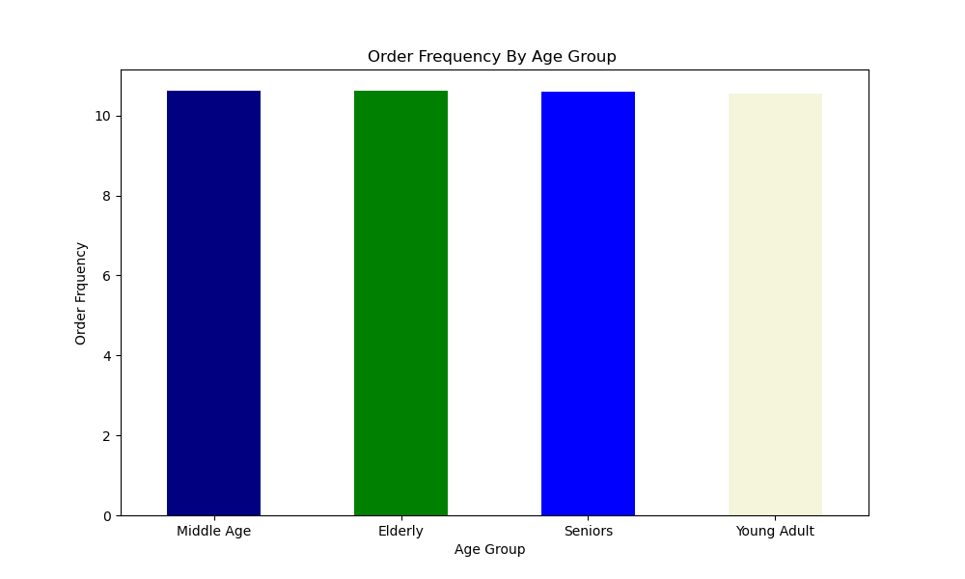
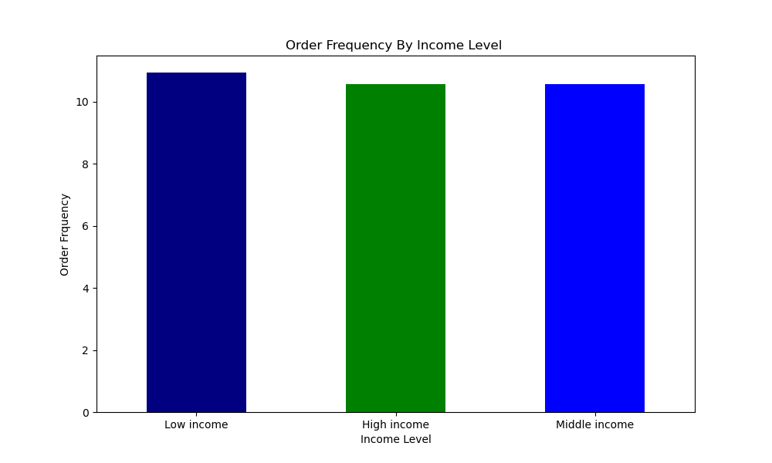
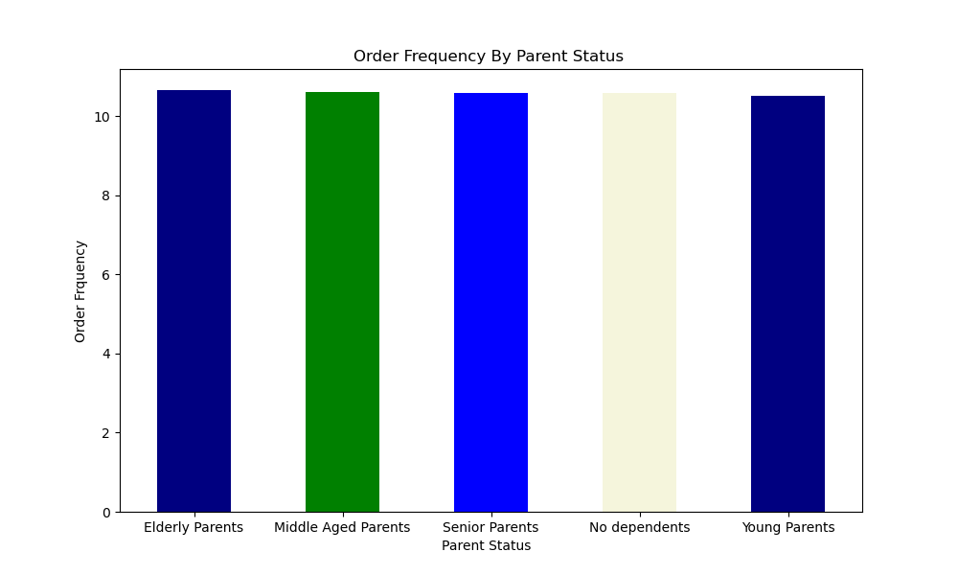
Title page

Visualisations

In this tab you should include all the visualtions from Exercises 4.9 and 4.10, alongside the questions from the project brief that they answer. Include any commentary on the relationship between different variables.

1. The sales team needs to know what the busiest days of the week and hours of the day are (i.e., the days and times with the most orders) in order to schedule ads at times when there are fewer orders.
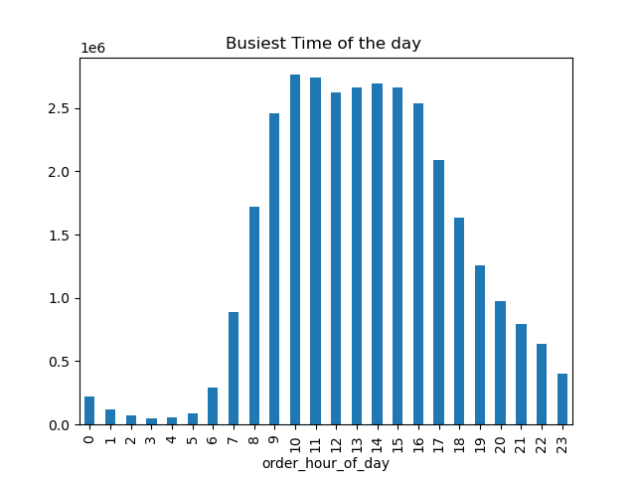
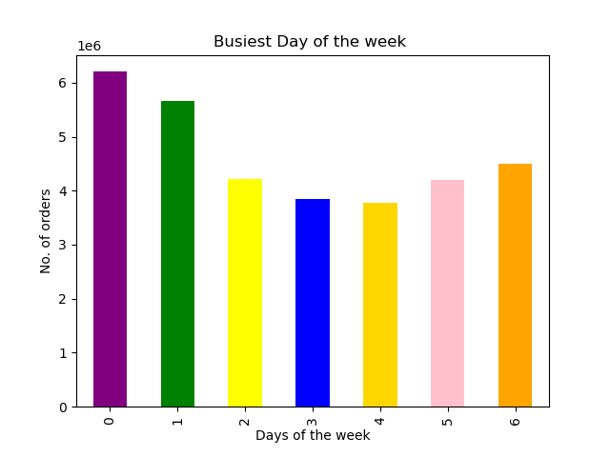

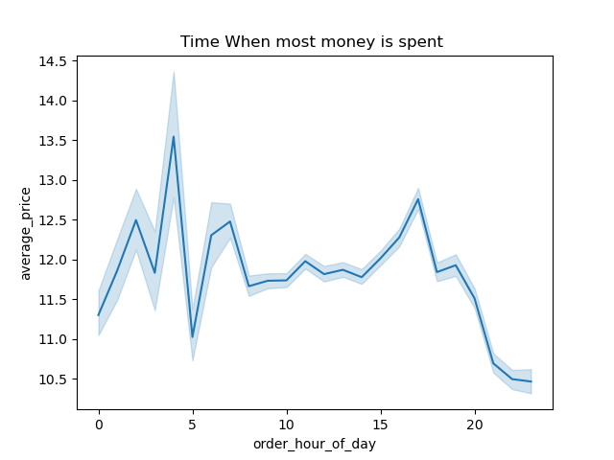
2. They also want to know whether there are particular times of the day when people spend the most money, as this might inform the type of products they advertise at these times

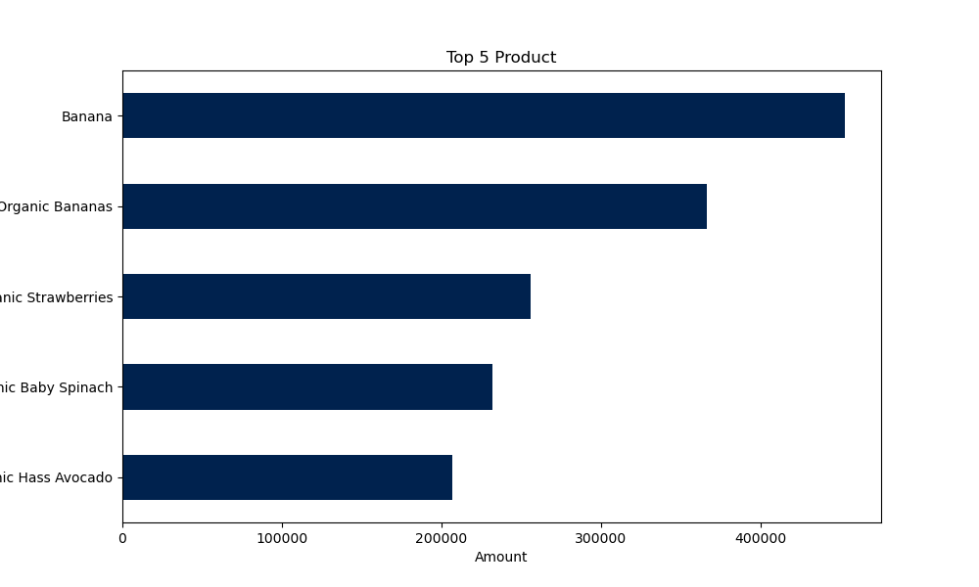
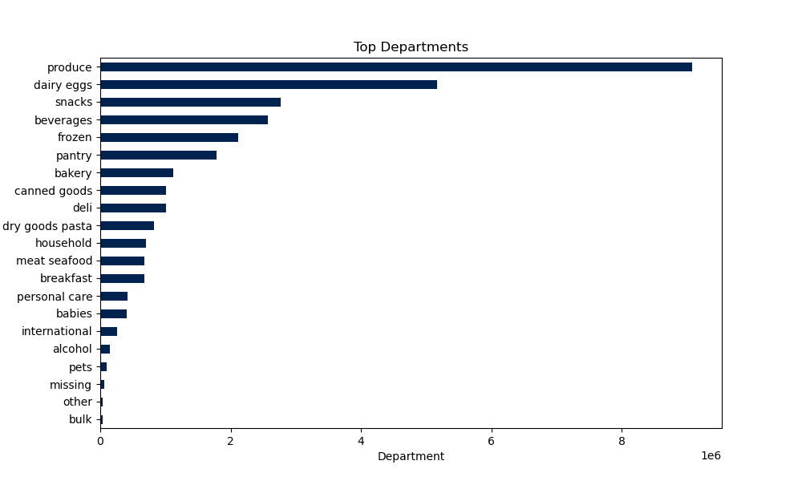

3. Are there certain types of products that are more popular than others? The marketing and sales teams want to know which departments have the highest frequency of product orders.

4. What’s the distribution among users in regards to their brand loyalty (i.e., how often do they return to Instacart)?
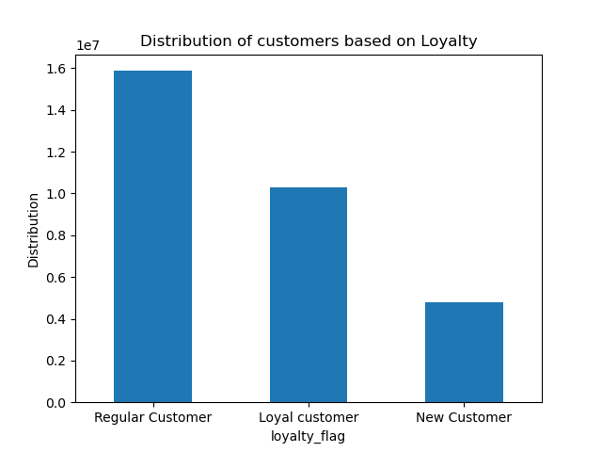
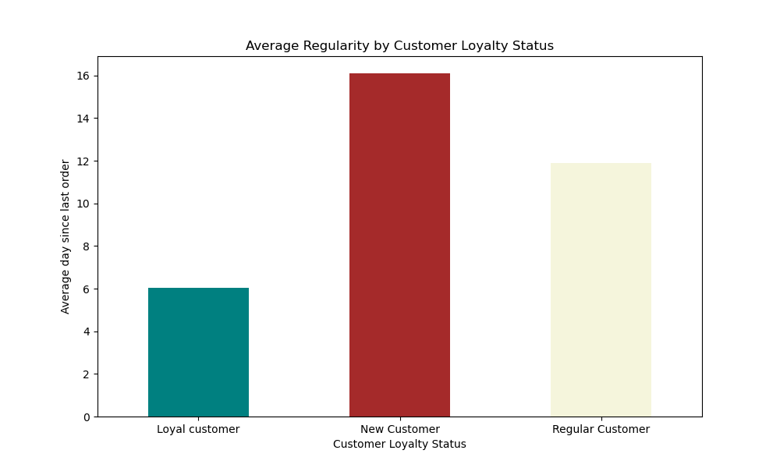

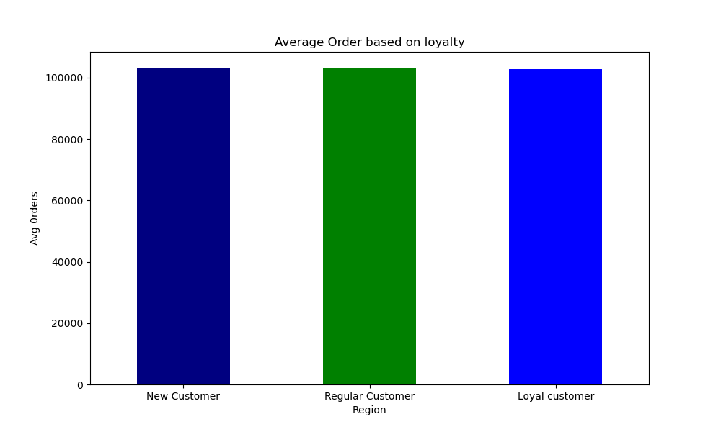
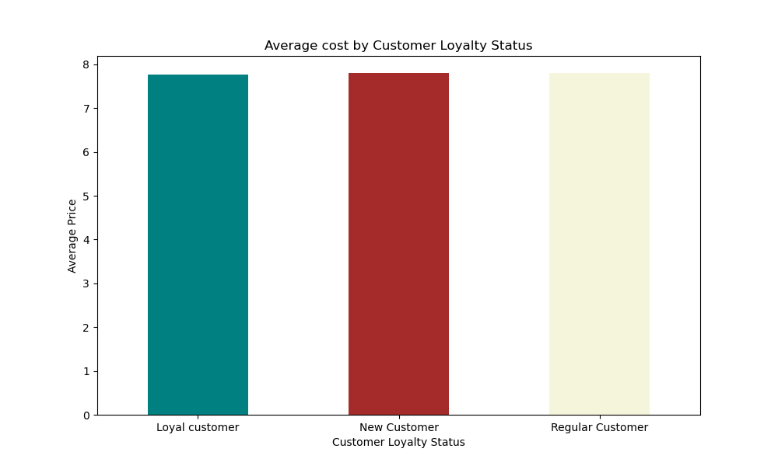

5. Are there differences in ordering habits based on a customer’s loyalty status?

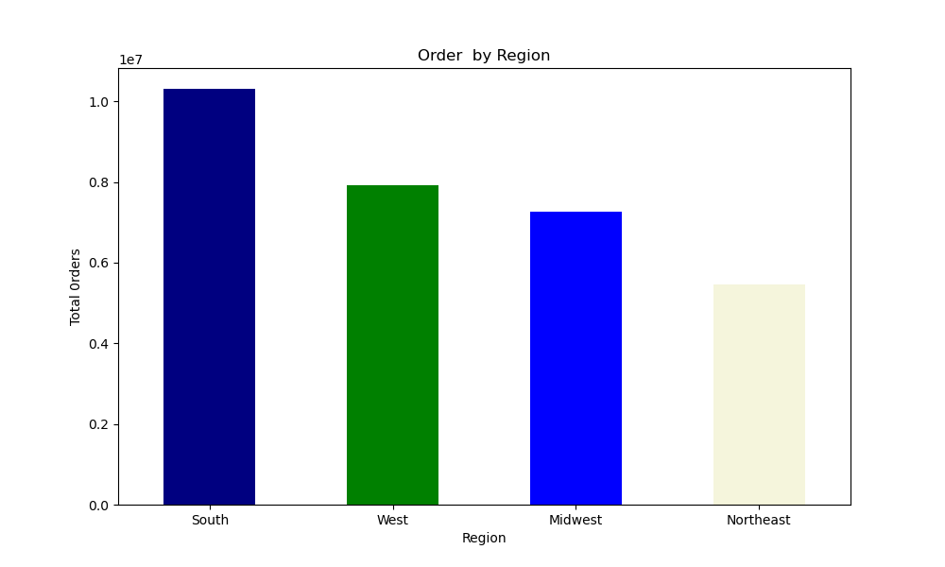


6. Are there differences in ordering habits based on a customer’s region?

7. Whaat deifferent classification does the dmographiic infomration suggest
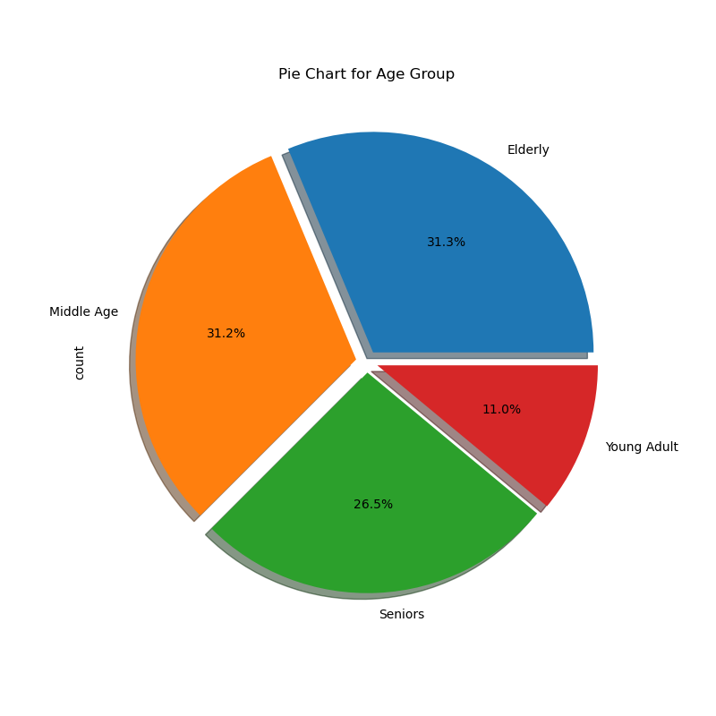
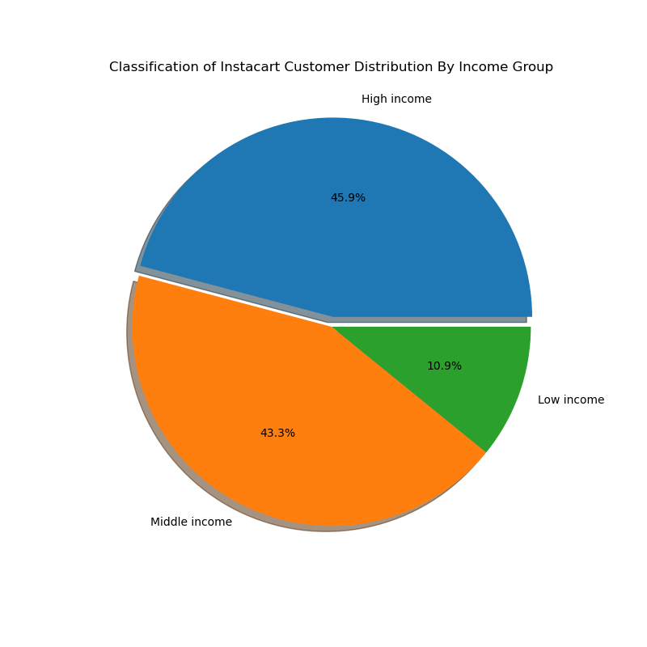

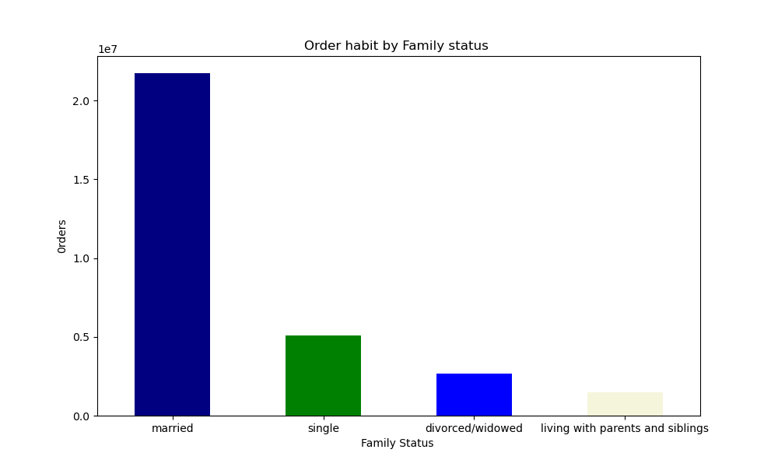
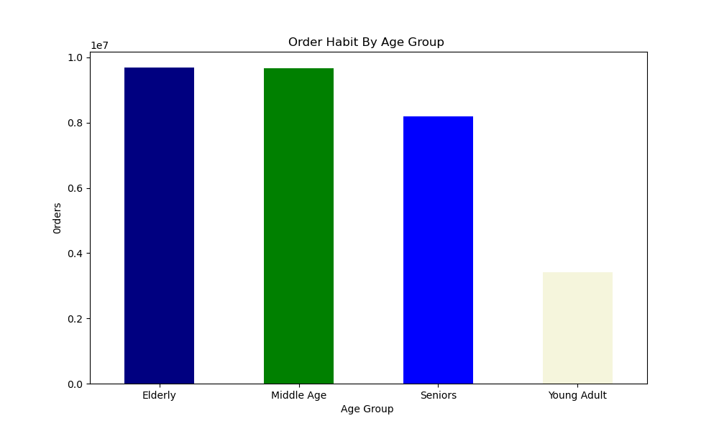
Young Adult - <25
Middle Age - age >= 25 & <= 44
Elderly - age >= 45 & age <=64
Seniors - age > 64

8.. Is there a connection between age and family status in terms of ordering habits?

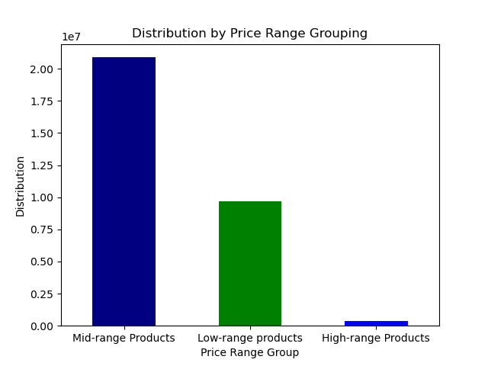
9.. Instacart has a lot of products with different price tags. Marketing and sales want to use simpler price range groupings to help direct their efforts.

Top 5 Products By Age Group

10.. What differences can you find in ordering habits of different customer profiles?dd

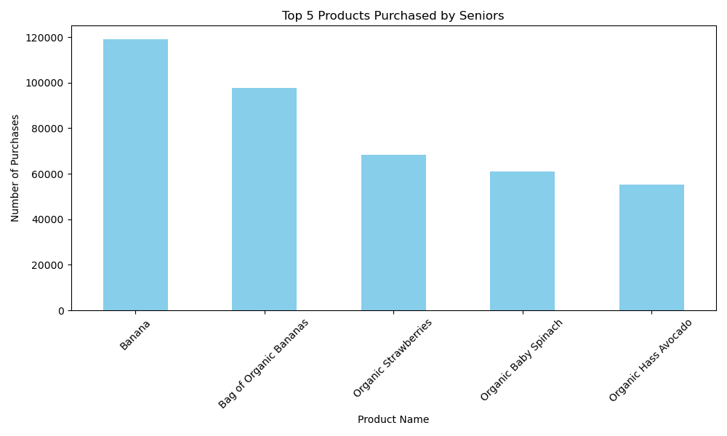
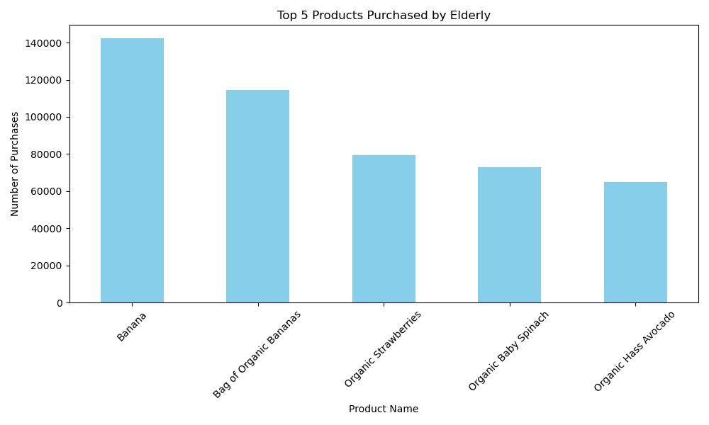
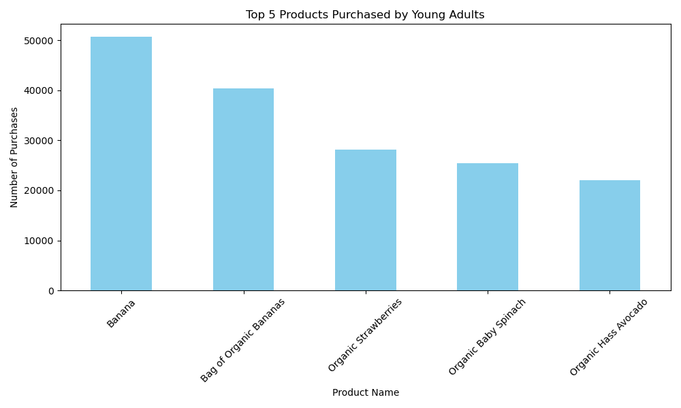


Order Frequency By Age Group
Order Frequency By Income Level
Order Frequency By Parent Status

7. Recommendations
Recommendations
Question
1. Your client wants to know the busiest hour is for placing order and day for placing orders
- Marketing can direct their efforts with the use of low, middle and high range prooducts for easier creation of marketing strategies.
- The sales team should schedule ads during the week days (Monday to thursday) fron 8pm to 7am because these are the times that which are not as busy.
- There should more poromotion and marketing preferably the startategies that work in the Southern Region towards the NorthEast region of the country to increase customer reach and sales in the NorthEast .
- A loyalty package shhould be considered which could include discounts to convince new customers to purchase more and become regular customes

Answer: The busiest time of the day for order is from 8 am to 6pm which would be seen as 'Regular Working Hours"
Answer: The busiest day oof the week are 6, 1 and 0 which are Friday, Saturday and Sunday. Which means the weekend is usually busy.

2. They also want to know whether there are particular times of the day when people spend the most money, as this might inform the type of products they advertise at these times

Answer: The time where money is spent the most is early hours of the morning .

3. Are there certain types of products that are more popular than others?

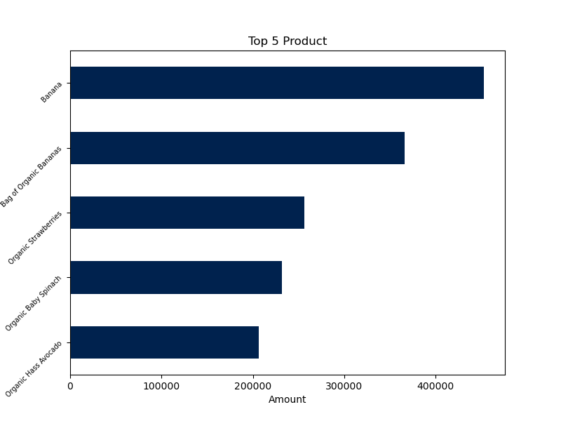

Answer: We can see that the is the most popular among the departments is the produce with Top 5 products being Organic fruits and vegetables

4. What’s the distribution among users in regards to their brand loyalty (i.e., how often do they return to Instacart)?

Answer: This shows that the most of the users are regular customers which means New customers are more likely to come back after an order eventually becoming a regular.

5. Are there differences in ordering habits based on a customer’s loyalty status?

Answer: There is no difference in the order habit based on loyalty level. Each customer group has the same average order and average cost of ordering. Meaning loyalty flag is not an indicator of a specific ordering habit.

6.Are there differences in ordering habits based on a customer’s region?


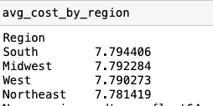

Answer: The South has the most amount of orders based on region and the average cost by region is consistent between all 4 regions

7. What deifferent classification does the demographic infomration suggest

Answer: The first pie chart shows that Middle. age and Elderly people have majority population of customers while the second chart tells that most customers are from either high or middle income backgrounds

8. Instacart has a lot of products with different price tags. Marketing and sales want to use simpler price range groupings to help direct their efforts

Answer: Mid range products are the most popular among customers. This are products that have the price range of $ 5 and Less than or equals to $15. High range products are not as sought after

9. Is there a connection between age and family status in terms of ordering habits?

Answer: Married customers tend to order more than any other group from the family status probaly due to havinbg multiple mouths to feed in the house hold and young adults tend to order less. From this, its easy to deduce that younger demographic vary reasons.

10.. What differences can you find in ordering habits of different customer profiles?

Answer: These visualizations whos the top prooducts purchased by the different age grooups. From this it is obvious that each age group have similar purchasing habit when it comes to products. Bananas being the top purchased and a trend of organic products bei

Order Frequency By Income Level
Order Frequency By Parent Status
Order Frequency By Age Group

Answer: These visulaization highlight the order frequency of each customer profile (Ager Group, Income Level, Parents Status) the output shows that customer profile has little to no impact on the order frequency of products

